Data Domain Owners & Stewards
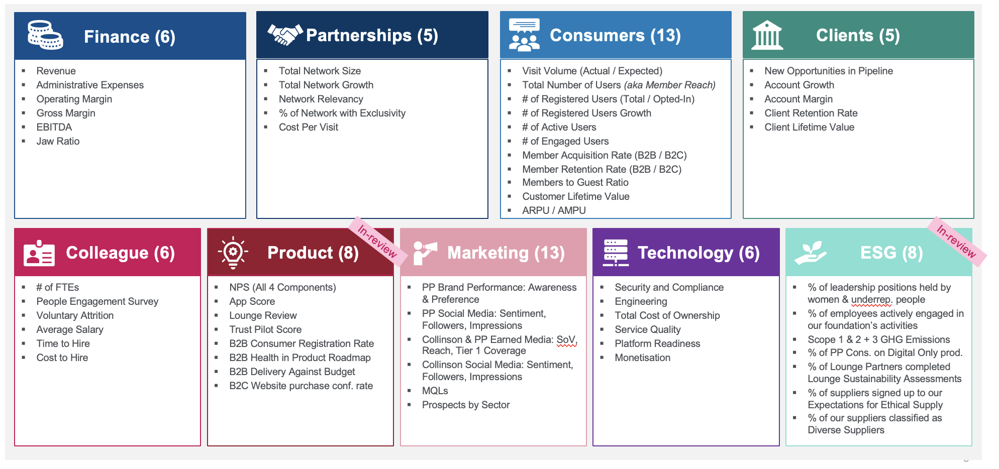
Domains | Domain Sponsor (where applicable) | Domain Owner | Sub-Domains | Data Stewards
Clients | Todd Hancock | Clive Brooks | Clients Information (Networks & Issuers) | Ian Podboraczynski
 |  |  | Clients Feedback
 |  |  | Deals
 |  |  | Contracts*
Consumers |  | Dan Cantorna | Membership | Jan Plotnickij / Kaleigh Tsoi
 |  |  | Consumer Profile | Jan Plotnickij / Kaleigh Tsoi
 |  |  | Consumer Feedback | Claire Ward /Kaleigh Tsoi
 |  |  | Visits (Order) | Jan Plotnickij / Kaleigh Tsoi
 |  |  | Trip Information (Trip, Experience) | TBC
 |  |  | Reservation (BaaS) | Jan Plotnickij / Kaleigh Tsoi
 |  |  | Prospective Consumers | Jan Plotnickij / Kaleigh Tsoi
Partnership |  | Vicki Everest | Collinson Partner Network | Astonn Birchwood
 |  |  | Collinson Investment partners | Andy Tall
 |  |  | Partnership Feedback
 |  |  | Product Catalogue | Ross Clamp
Third Party |  | Mohit Joshi | 3rd Party | Jaspal Singh/Swathi Peravue
 |  |  | Competitor Data
Employee (Colleague) |  | Claire Cavanagh | Reporting hierachy | Sanjana Sambantham
 |  |  | Performance engagement
 |  |  | Renumeration
 |  |  | People engagement
 |  |  | Talent (Acquisition / Mangement / Development)
Finance | Jon Holmes | Ben Hopkins | Tax | Cambridge Lyford / Captain Okpeki
 |  | Ovinder Assi | Treasury | Colin Marchant
 |  | Simon Feeney | Procurement | TBD
 |  | Jonny Hodson | Financial Planning & Analytics | Conrad White
 |  | Alan Panter | Fin Ops - Purchase 2 Pay | Charley Smeeth
 |  |  | Fin Ops - Order 2 Cash | Maria Mounce
 |  |  | Fin Ops - Record 2 Report | John Thorn / Phil Toole
Technology |  | Marco Pera | Engineering Metrics | Simon Wood
 |  |  | Service Catalogue | Daniel Levitt
 |  |  | Architecture | Daniel Levitt
 |  |  | System Resilience | TBD
 |  |  | Policy & Compliance | TBD
 |  |  | System metrics | TBD
 |  |  | Data | TBD
ESG |  | Simon Feeney | Governance | Omnia Bakhiet
 |  |  | Social
 |  |  | Enviromental
Risk & Compliance | Ikwu Amaka | Louise Smith | TBD | TBD

 | Consumers
 | Clients
 | Partners
 | Products
 | Third Party
 | Finance
 | ESG
 | Colleague

